Data Validation for mobile num
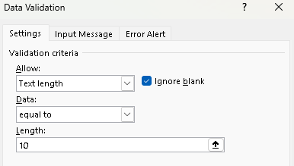
Eg.1
S.No. | Mob No.
1 | 1234567890
2 | 1234567890 | <<DUPLICATE
3 | hjkliuytrd
4
5

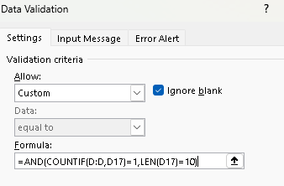
 | Eg.1
 | S.No. | Mob No.
 | 1 | 1234567890
 | 2 | 2595685478 | << NON DUPLICATE
 | 3
 | 4
 | 5

DropDownList
 |  |  |  |  |  |  |  |  | Data Validataion -Drop Down List
 |  |  |  |  |  |  |  |  | youtube | https://www.youtube.com/watch?v=wwwva5dhzPk&t=341s

 |  |  | this is example … that like this when we choose dropdown option all the choosen option's sub-items should open

 | Category |  | Gadgets | MeniCure | Fruits |  | All Item
 | Gadgets | 1 | mobile | facepower | banana |  | mobile |  |  |  |  | steps:- | Firstly name the table header in cell id
 | MeniCure | 2 | tablet | facewash | apple |  | tablet |  |  |  |  | 1>>>Yours curson should be in items first cell …eg:-B31
 | Fruits | 3 | pc | hair Oil | orange |  | pc |  |  |  |  | 2>>>put cursor on B31 and press alt+D+L
 | other | 4 | laptop | shampoo | mango |  | laptop |  |  |  |  | 3>>>Data Validation Window will be opened and you sholud select List in Allow Field
 |  | 5 | charger |  | cheeku |  | charger |  |  |  |  | Write below formula in source:
 |  | 6 |  |  |  |  | facepower
 |  | 7 |  |  |  |  | facewash |  |  |  |  | =IF($B$31="Gadgets",Gadgets,IF($B$31="MeniCure",Menicure,IF($B$31="Fruits",Fruits,IF($B$31="Others",Others))))
 |  | 8 |  |  |  |  | hair Oil
 |  | 9 |  |  |  |  | shampoo
 |  | 10 |  |  |  |  | banana
 |  |  |  |  |  |  | apple
 |  |  |  |  |  |  | orange
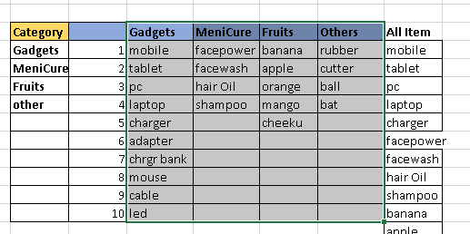
 |  |  |  |  |  |  | mango
 |  |  |  |  |  |  | cheeku
 |  |  |  |  |  |  | rubber
 |  |  |  |  |  |  | cutter
 |  |  |  |  |  |  | ball
 |  |  |  |  |  |  | bat

Basic Approach by using nested if
 | click on the b31,and c31 cell to see dropdowns
Sale Detail
No. | Category | Item |  |  | Category |  | Gadgets | MeniCure | Fruits | Others
1 | Fruits |  |  |  | Gadgets | 1 | mobile | facepower | banana | rubber
2 |  |  |  |  | MeniCure | 2 | tablet | facewash | apple | cutter
3 |  |  |  |  | Fruits | 3 | pc | hair Oil | orange | ball
4 |  |  |  |  | other | 4 | laptop | shampoo | mango | bat |  |  | Then Goto >>> Formula Tab
5 |  |  |  |  |  | 5 | charger |  | cheeku |  |  |  |  | >>>
6 |  |  |  |  |  | 6 | adapter
7 |  |  |  |  |  | 7 | chrgr bank |  |  |  |  |  |  |  | choose create from sections to name the columns in cell it
8 |  |  |  |  |  | 8 | mouse
9 |  |  |  |  |  | 9 | cable
10 |  |  |  |  |  | 10 | led |  |  |  |  |  |  | >>> Then choose Top Row
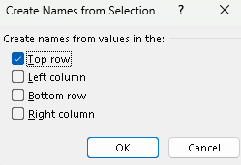

 | FOR CREATING DROPDOWN LIST IN CELL B31(Fruits) :-
 | 1>>> PUT CURSOR ON B31
 | 2>>>ALT+D+L
 | 3>>>ALLOW---> LIST AND IN SOURCE, SELECT THE CATEGORY CELLS RANGR FROM GADGETS TO OTHES

Smart Approach by using =INDIRECT()

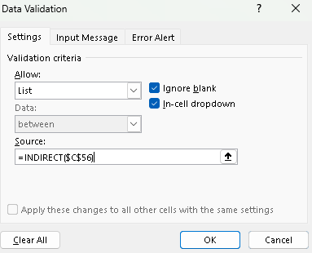
 | No. | Category | Item |  |  | Category |  | Gadgets | MeniCure | Fruits | Others
 | 1 | MeniCure |  |  |  | Gadgets | 1 | mobile | facepower | banana | rubber
 | 2 |  |  |  |  | MeniCure | 2 | tablet | facewash | apple | cutter
 | 3 |  |  |  |  | Fruits | 3 | pc | hair Oil | orange | ball
 | 4 |  |  |  |  | other | 4 | laptop | shampoo | mango | bat
 | 5 |  |  |  |  |  | 5 | charger |  | cheeku
 | 6 |  |  |  |  |  | 6 | adapter
 | 7 |  |  |  |  |  | 7 | chrgr bank
 | 8 |  |  |  |  |  | 8 | mouse
 | 9 |  |  |  |  |  | 9 | cable
 | 10 |  |  |  |  |  | 10 | led

 |  | all the date is not seen in when we open the menicure drop down, because this table is static
 |  | if you want to see all the items and new entries also then first make your table into dynamic table
 |  | by pressing the ctrl+1 but putting curson anyware inside your table structure

 |  |  | eg. | MeniCure
 |  |  |  | facepower |  | dropdown list
 |  |  |  | facewash |  |  | click cell
 |  |  |  | hair Oil
 |  |  |  | shampoo
 |  |  |  | soap

